Assessment CEBMA
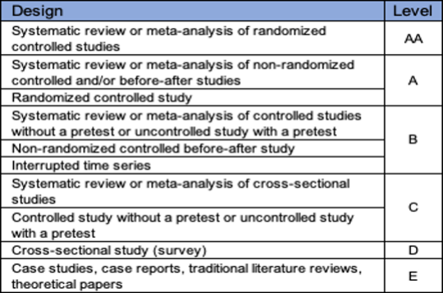
 | Author(s)/Year | Context/Population | Sample/Design | Main Findings/Recommendations | Limits | Effect Size | Level
1 | Arnaud, N., Mills, C., & Legrand, C. (2016). Liberation through narrativity: A case of organization reconstruction through strategic storytelling. Management International/International Management/Gestiòn International, 20(2), 107-118.https://doi.org/10.7202/1046566ar | Call Center company with 370 employees, 18M in EURO in annual turnover, CEO, senior managers, middle manager, front line employees, support staff | Case study, 33 interviews, general assembly videos, observation, two focus groups, and document artifact review from October 2012 to February 2013 used to identify (3) narrative plots = initial, counter, and corrective narratives with a temporal map of implementation of a strategic initiative | There are intersections between sense giving and sensemaking narratives that engage each other as an organization communicates change initiatives. Organizational changes generates different the of narrative, sense giving, counter and corrective narratives which are retrospective, now-spective and prospective in nature. Organizational change initiatives are complex to communication to employees, and have a cyclical process of providing narratives that offer sense giving, and narratives that counter and corrective employee narratives. | The case study took place in one single organization. There was not follow-up interviews to understand the impact of the narratives and how they affected the organizational change initiative. | Small | D to E
2 | Auvinen, T. P., Lämsä, A., Sintonen, T., & Takala, T. (2013). Leadership Manipulation and Ethics in Storytelling: JBE. Journal of Business Ethics, 116(2), 415-431. https://doi.org/10.1007/s10551-012-1454-8 | Finland, n=18 thematic interviews of managers and the stories they told to influence their employees, (4) female, (5) males, ages ranging from 35 to 65, and year of experience was 8 to 40 years | 9 interviews, and extraction of (4) main narrative types used to manipulate employees | Four types of manipulative leadership stories: (1) humorous stories, (2) pseudo-participative stories, (3) seductive stories, (4) pseudo-empathetic stories. It is common for managers to rely on consequence ethics in their reasoning for using manipulative narratives to influence employees. Manipulative narratives are used to avoid coercive tactics. | There was a relative small sample size. The study did not capture all the possible manipulative narratives. The study did not study the outcomes of manipulative leadership narrative son employee performance and other organizational outcomes. The managers interviewed may have not told the truth about the full scope and context of all their manipulative stories. | Small | D
3 | Auvinen, T., Aaltio, I., & Blomqvist, K. (2013). Constructing leadership by storytelling - the meaning of trust and narratives. Leadership & Organization Development Journal, 34(6), 496-514. https://doi.org/10.1108/LODJ-10-2011-0102 | Finland, interviews of n=13 executive groups, female and males, ages 30 to 70 years, private sector and hybrid organizations | 15 interviews of executive management, observation and field notes | Leadership uses storytelling as a tool to build trust. Areas of influence related to trust building are: motivation, inspiration, prevent/defuse conflict, influence superiors, discovering focus, manager shows themselves as trustworthy, creating trust with interactive stories. | The sample size was small, and while story telling can be used to build trust, there are some risk associate with storytelling as a communicative tool because stories can miss and fail in conveying the intended message. | Small | D
4 | Dalpiaz, E., & Di Stefano, G. (2018). A universe of stories: Mobilizing narrative practices during transformative change. Strategic Management Journal (John Wiley & Sons, Inc.), 39(3), 664–696. https://doi-org.ezproxy.umgc.edu/10.1002/smj.2730 | Italian company that transformed from a kitchen steel utensil manufacturer to a producer of household objective associated with lifestyle and/or image. | Literary artifacts originating with company owner, written between 1979 and 2010, third parties with contributions to the company owner or other organizational members and books published by the owner, all held narratives that were produced or promulgated by strategy makers and the company owner's collaborators. There were approximately n=25 literary artifacts used for comparative meta-analysis. | There are three elements of construction of captivating narratives of transformative change which are 1) sacralizing, 2) memorializing, and 3) revisioning of narratives. | The analysis was limited to one company in Italy. | Small | E
5 | Karakas, F., & Sarigollu, E. (2013). The Role of Leadership in Creating Virtuous and Compassionate Organizations: Narratives of Benevolent Leadership in an Anatolian Tiger. Journal of Business Ethics, 113(4), 663–678. https://doi-org.ezproxy.umgc | Small medium sized enterprises (SMEs), in Turkey | n=32 interviews with managers, employees, and other representative stakeholders | Benevolent leaderships based on (3) assumptions. There are (4) streams that can be used to encourage and initiate collect capabilities of care and compassion. The (4) streams of organizational research are 1) spiritual depth, 2) ethical sensitivity, 3) positive engagement and 4) community responsiveness. | Additional studies need to be completed to collection empirical data into their cultures and organizational contexts, so the results are not generalizable. Benevolent leadership requires adaptation to other organizational environments. Benevolent leadership model is dependent on and specific to culture. | Medium | D to E
6 | Mubarak, A. S. J., & Rhaif, K. K. (2022). Politeness strategies in motivational storytelling by American commencement speakers. Journal of Language & Linguistics Studies, 18(1), 22–39. https://doi-org.ezproxy.umgc.edu/10.52462/jlls.164 | Commitments speeches from 2010 to 2019, at top three American universities, focus on how the universities prepare and empower their graduates for the employment market, representation of (5) different professions -- business leaders, judges, actors, politicians, and journalist. | n = 10 commencement speeches, from 2010 to 2019, at top 3 universities, selected one motivational storytelling from each of the speeches which consisted of (6) stages, the super strategies of politeness where extracted from the speeches, the sub-strategies of each speech was analyzed as well, and compared to the original profession of each commencement speaker | The structure of motivation speeches comply for Labovian framework of storytelling, and as proof to universality of the this framework. Politeness serves a critical role in creating a sense of motivation for the listeners. Positive politeness is a super strategy of politeness that shows considerations of graduate face demands while delivery the motivational storytelling. | The study was limited to American commencement speeches, and can not be over generalized to all motivational storytelling. The main language was English, so other languages could be studied to increase generalizability. | Small | E | Quan
7 | Muthusamy, S. K. (2019). Power of positive words: communication, cognition, and organizational transformation. [Power of positive words] Journal of Organizational Change Management, 32(1), 103-122. https://doi.org/10.1108/JOCM-05 | Management professional reengineering and adopting TQM or new strategy implementation, targeted professional education, computer/software, telecommunications, electronics, automotive, non governmental organization with employees ranging from 28 to 305K | n=174 respondents of a survey, used multi item scale to measure the usage of and influence of positive words metaphors, and axioms | ﻿Positive communication effects the emotional buy-in, learning, and transformation of staff on an individual level, and positive axioms, metaphors, and stories have transformational effect on employees during organizational change and/or strategy implementation. | Did not capture time bound, longitudinal, or pre and post communication measures of transformation. Did not include objective measures of transformation. | Large | D | Quan
8 | Myllykoski, J., & Rantakari, A. (2022). Narrating strategy in the flow of events – Illusion and disillusion in strategy-making. Scandinavian Journal of Management, 38(1), N.PAG. https://doi-org.ezproxy.umgc.edu/10.1016/j.scaman.2022.101195 | A software company seek global growth | Finland, 2 year longitudinal study, from 2011 to 2013, real time participation in strategy making meetings, n= 16 face to face meetings with two company researchers and 3 company managers | Strategic narratives consist of a coherent and linear temporal trajectory between past, present and future, living storytelling by the strategists entails continuous retelling of the meaning of the past, present, and future in 'real time.' | Researchers participated in the strategy making meetings, may have been biased. | Small | A
9 | Ninan, J., & Sergeeva, N. (2022). Mobilizing Megaproject Narratives for External Stakeholders: A Study of Narrative Instruments and Processes. Project Management Journal, 53(5), 520–540. https://doi-org.ezproxy.umgc.edu/10.1177/87569728221102719 | Megaproject in the United Kingdom | n = 113 articles, study of 612 comments, from 2009 to 2012 | Different narrative instruments are employed in the megaprojects by various stakeholders were stories, labels, and comparisons. | Results are based on short statements and quotations between one and three stories. They did not differentiate between promoter and protester narrative. | Large | E
10 | Shapiro, B. (2016). Using Traditional Narratives and Other Narrative Devices to Enact Humanizing Business Practices: JBE. Journal of Business Ethics, 139(1), 1-19. https://doi.org/10.1007/s10551-015-2645-x | Canadian, Reell Precision Manufacturing, Inc., private manufacturer of customer hinges, wrap spring, clutches | Document artifacts, surveys, formal interviews, and informal correspondence with past and current members of senior management | Organizations may use narrative devices and related activities to enact humanizing business practices. Narrative devices sense-making roles and action-guiding properties and then described principles for applying narrative devices in a manner that respects others in a diverse workplace. Narrative devices may be embedded within and supported by a management control systems framework. | Cultural no specificity makes the codes more broadly accessible to people with different cultural identities. | Small | E
11 | Solouki, Z. (2017). The road not taken: narratives of action and organizational change. Journal of Organizational Change Management, 30(3), 334-343. https://doi.org/10.1108/JOCM-10-2016-0201 | Japanese, multi-national study, longitudinal study over a 2 year period, top level management of Europe, Middle East, and Africa, 20K employees | Internal surveys | There is complex topic of decision-making and change, allowing control and manipulate the events in the process of change to an advantage. Rhetoric of change, viewing actions as narratives prompt combination of rigid clarity and flexible vagueness in stories and action plans. | Study is focused on one study in the UK. | Large | A
12 | Thurlow, A., & Helms Mills, J. (2015). Telling tales out of school: Sensemaking and narratives of legitimacy in an organizational change process. Scandinavian Journal of Management, 31(2), 246–254. https://doi-org.ezproxy.umgc.edu/10.1016/j.scaman.2014.10 | Canadian community colleges, small province in Eastern Canada, 13-19 campuses | Analyzing interview transcripts of community college management staff | There is a relationship between plausibility and legitimation, and legitimation is central to establishing plausibility within sensemaking process. | Study is limited to small town environment in rural Canada. | Small | D to E
13 | Yost, P. R., Yoder, M. P., Chung, H. H., & Voetmann, K. R. (2015). Narratives at work: Story arcs, themes, voice, and lessons that shape organizational life. Consulting Psychology Journal: Practice and Research, 67(3), 163–188. https://doi.org/10.1037/cpb0000043 | n = 196 interviews, n = 114 stories about career challenges and current career crossroads, and n=82 stories | Statistical analysis of interviews | Individuals reflect on personal and organizational stories in the form of narrative scripts. Narrative structure has story arcs, themes, and voice for the purpose of understanding whether some frames are more or less constructive for helping people navigate challenge or transition in the work context. | The interviewees was not clear in the stories. | Large | D to E | Quant

MMAT Auv Qul
Mixed Methods Appraisal Tool (MMAT) Version 2018
Article/Study: | Auvinen, T. P., Lämsä, A., Sintonen, T., & Takala, T. (2013). Leadership Manipulation and Ethics in Storytelling: JBE. Journal of Business Ethics, 116(2), 415-431. https://doi.org/10.1007/s10551-012-1454-8
Qualitative Article |  | Yes | No | Can't Tell | Evidence (Provide verbatim sentence(s) or Table/Figure and page number) | Likert Scale (1=low, or 3 5=high)
Screening Questions | Are there clear research questions? | Yes |  |  | p. 416 "…What kind of manipulative stories do managers tell to influence their employees? • How do managers themselves say that manipulation takes place in their storytelling? • Why do managers tell manipulative stories to influence their employees? • What kind of ethics do managers reveal when telling manipulative stories to influence their employees?" p. 416 | 5
 | Do the collected data allow to address the research questions? | Yes |  |  | p. 420 " The data consists of qualita-tive, thematic interviews which contain stories managers have told with a view to influence their employees. In this study, our narrative configuration has to do the analysis of narratives, which, adopting Polkinghorne (2007), mean the studies whose data consist of stories and which are con-cerned with analysing according to typologies or catego-ries. In other words, stories told by the interviewed managers are analysed by categorizing the stories and then producing a typology of manipulation in managers’ storytelling," p. 420 | 5
 | Do the collected data allow to address my research question?* What components of strategic storytelling narratives contribute to stakeholder engagement during organizational change initiatives? | Yes |  |  | p. 420 " We invited the managers to retell stories they themselves had told in their organizations with a view to exerting influence on their subordinates. The interviews included such themes as the manager’s self-image as a leader and examples of storytelling in her/his leadership. Furthermore, managers’ opinions on different leadership styles such as democratic and authoritarian were also dis- cussed. All the interviews were conducted in Finnish since the data were gathered in Finland. Therefore, all the quo- tations presented in this article are translations. The inter- views were recorded and transcribed word for word. The duration of each interview was between 45 min and 1.5 h. Since our research task was related to manipulation, we then read the interview data carefully to detect manipula- tive stories. We detected such stories in 9 managers’ interviews (out of 18), thus the other 9 interviews were excluded from the data since we found no signs of manipulation in them. Consequently, 9 interviewees were included in our final sample comprising 4 female and 5 male managers. Their age varied from 35 to 65 years and work experience from 8 to 40 years. They represented different managerial levels in different organizations (see Table 1). Due to anonymity promised to the interviewees, each manager was assigned a code A, B, C, D, E, F, G, H and I. The codes are used later on in this article to refer to each particular manager. In these managers’ interviews, 13 manipulative stories were found. The stories are also numbered from 1 to 13. Some of the stories are coherent narratives meaning that the stories have a chronological dimension and a clear plot (Søderberg 2003), while some stories are in a more terse and fragmented form (Boje 2001). " p. 420 | 5
Qualitative | Is the qualitative approach appropriate to answer the research question? | Yes |  |  | p. 421 "In the course of the analysis, we circulated the data and organized several common joint analysis sessions. Hence, methodological triangulation is involved in the analysis process at least in the following two senses: (1) the researchers circulated data and ideas (Flick 2007) and (2) the analysis proceeded by an interaction between empirical data and the researchers’ theoretically based interpretations (Eriksson and Kovalainen 2008; Eskola and Suoranta 1998; Riessman 2008). As a result of this process, we detected 13 manipulative stories numbered from 1 to 13 and con- structed then four types of manipulative leadership from the stories: • humorous stories are (1) a hanged chef in the hotel, (2) a chef without thumbs in the old days in a logging cabin, (3) a less harmful engineer and (4) Croatian female guerrilla • pseudo-participative stories are (5) annual strategy meeting day and (6) Oldsmobile car manufacturer • seductive stories are (7) cut-glass chandelier, (8) poppy fabric for curtains, (9) poor working circumstances and (10) my kid’s hut, • pseudo-empathetic stories are (11) the lies of angels, (12) tearful subordinate and (13) dyslexic supervisor," p. 421 | 5
 | Are the qualitative data collection methods adequate to address the research question? | Yes |  |  | p. 428 " Overall, the study showed that manipulation in leader-ship storytelling is constructed by various manipulative types and forms and the use of manipulation in its different types and forms was familiar to several managers inter-viewed in this study. Some of them considered manipula-tion as an inescapable part of their work. Manipulation was said by the managers to belong to their everyday discursive routines and resources. However, manipulation did not seem to stand out as an especially distinctive part of leadership. The forms of manipulation which were distin-guished were lying, providing misinformation and provid-ing disinformation. Providing disinformation was the most common type. Out of 13 stories, 8 stories involved pro-viding disinformation. In addition, there were three stories involving misinformation and two stories contained lying," p. 428 | 5
 | Are the findings adequately derived from the data? | Yes |  |  | 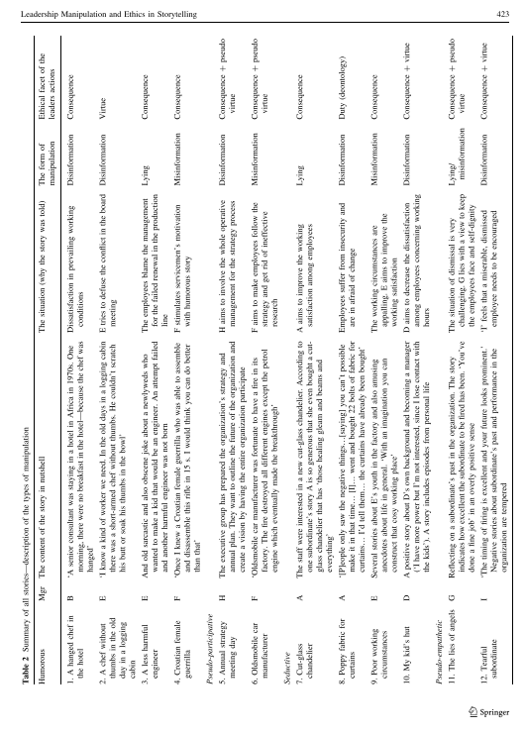 p. 423 Leadership Manipulation and Ethics in Storytelling 423 Ethical facet of the leaders actions The situation (why the story was told) The form of manipulation Table 2 Summary of all stories—description of the types of manipulation Mgr The content of the story in nutshell Humorous Disinformation Consequence Disinformation Virtue Consequence Lying Misinformation Consequence Disinformation Consequence ? pseudo virtue Misinformation Consequence ? pseudo virtue Consequence Lying Disinformation Duty (deontology) Misinformation Consequence Disinformation Consequence ? virtue Consequence ? pseudo virtue Lying/ misinformation Disinformation Consequence ? virtue Dissatisfaction in prevailing working conditions E tries to defuse the conflict in the board meeting The employees blame the management for the failed renewal in the production line F stimulates servicemen’s motivation with humorous story H aims to involve the whole operative management for the strategy process F aims to make employees follow the strategy and get rid of ineffective research A aims to improve the working satisfaction among employees Employees suffer from insecurity and are in afraid of change The working circumstances are appalling. E aims to improve the working satisfaction D aims to decrease the dissatisfaction among employees concerning working hours The situation of dismissal is very challenging. G lies with a view to keep the employees face and self-dignity ‘I’ feels that a miserable, dismissed employee needs to be encouraged B ‘A senior consultant was staying in a hotel in Africa in 1970s. One morning, there were no breakfast in the hotel—because the chef was hanged’ E ‘I know a kind of worker we need. In the old days in a logging cabin there was a short-armed chef without thumbs. He couldn’t scratch his butt or soak his thumbs in the bowl’ E And old sarcastic and also obscene joke about a newlyweds who wanted to make a kid that would be an engineer. An attempt failed and another harmful engi | 5
 | Is the interpretation of results sufficiently substantiated by data? | Yes |  |  | P. 428 "The study showed that there are different ethical facets underlying the types of manipulation in leadership story-telling. The facets we used as a context for our analysis were consequence ethics, virtue ethics and duty ethics (Ciulla 2005; Ciulla and Forsyth 2011). Ethical reasoning of the managers’ manipulation in storytelling seemed to involve typically consequence ethics with the other facets remaining scarce. However, in pseudo-participative and pseudo-empathetic manipulations particularly a glimpse of virtue ethics also emerged. In pseudo-participative manipulation, the managers explained that through their actions they tried to avoid authoritarian and coercive leadership. In pseudo-empathetic manipulation, the case was a somewhat humane treatment of dismissed subordi-nates. However, in terms of virtue ethics, all the types of manipulation contained an incontestable vice: dishonesty." p.428 | 4
 | Is there coherence between qualitative data sources, collection, analysis and interpretation? | Yes |  |  | p. 428 "We observed four different types of manipulation in lead-ership storytelling in this study—humorous, pseudo-par-ticipative, seductive and pseudo-empathetic—but others may be found as well. For example, it might be possible that threatening stories could be used by managers for the purposes of manipulation even if we did not find such stories in this study. Therefore, it would be important to investigate the topic more in the future by acquiring more various data sets than now from different social contexts. " p. 428 | 5
Summary | Number of "Yes" Responses | 8 | 0 | 0 | Mean Scale Rating | 39 | 98%

 | A total of (5) points are possible. High = 5, Medium = 3 to 4, Low = 1 to 2. Further, Yes responses receive 1 point, No responses receive 0 points, and Can’t Tell receives 0 points. The notional scores will be totaled and rated as high, medium or low for overall quality of evidence. Each point is with 20%, so the full five questions are worth 20% per question, for total of 100%.
 |  | Notional Points | % Score
 | Low | 1 to 2 | 20 to 40%
 | Medium | 3 to 4 | 60 to 80%
 | High | 5 | 100%

MMAT Mub Qun
Mixed Methods Appraisal Tool (MMAT) Version 2018
Article/Study: | Mubarak, A. S. J., & Rhaif, K. K. (2022). Politeness strategies in motivational storytelling by American commencement speakers. Journal of Language & Linguistics Studies, 18(1), 22–39. https://doi-org.ezproxy.umgc.edu/10.52462/jlls.164

Quantitative Article |  | Yes | No | Can't Tell | Evidence (Provide verbatim sentence(s) or Table/Figure and page number) | Likert Scale (1=low, or 3 5=high)
Screening Questions | Are there clear research questions? | Yes |  |  | p. 26 " 1. Which super-strategies of politeness are considerably utilised by commencement speakers while delivering the motivational storytelling? 2. Is there any significant relationship between the original professions of the commencement speakers and their utilisation the super-strategies of politeness? 3. What are the sub-strategies that CSs mostly rely on to implement each super-strategy of politeness while delivering the motivational storytelling?" p. 900 | 5
 | Do the collected data allow to address the research questions? | Yes |  |  | p. 26 "This study is motivated to investigate the structure of motivational storytelling delivered within commencement speeches, and to do this it has selected ten commencement speeches delivered by American CSs at the top three American universities from 2010 to 2019. The QS ranking system is followed as it considers 10 % of the universities assessment to the employers' assessment of the graduates' working performance (QS World University Rankings, 2020). It regards how the universities and institutions prepare and empower their graduates for the employment market is as an essential indicator of the ranking. Thus, it is expected that QS top universities pay more efforts to maintain their graduates' employment experience and reputation when choosing an appropriate CS. More specifically, one speech is selected per year (See Appendix I).." p. 26 | 5
 | Do the collected data allow to address my research question?* What components of strategic storytelling narratives contribute to stakeholder engagement during organizational change initiatives? | Yes |  |  | p. 22 "The purpose of this paper is to describe the politeness strategies used by commencement speakers while presenting their motivational storytelling within commencement speeches at American universities. To this end, the researchers selected ten commencement speeches delivered at top three American universities from 2010 to 2019 based on the QS world universities ranking system. The researchers adopted Brown and Levinson's (1978) framework who classify the politeness strategies that can be used to reduce or prevent threatening the public image of others into four super-strategies: positive politeness, negative politeness, off-record, and bald-on record," p. 22 | 5
Quantitative descriptive | Is the sampling strategy relevant to address the research question? | Yes |  |  | p. 26 "The variety of the CSs' professions is also considered in the selection process; namely, the selected speeches are delivered by speakers of various professions, each two representing a particular profession. For a just comparison between the speakers of these professions, one motivational storytelling is selected per each speech. The selected commencement speeches are selected to represent five different professions of commencement speakers, namely business leaders (henceforth BCSs), judges (henceforth JuCSs), actors (henceforth ACSs), politicians (henceforth PCSs), and journalists (henceforth JoCSs)," p. 26 | 4
 | Is the sample representative of the target population? | Yes |  |  | p. 26 "The variety of the CSs' professions is also considered in the selection process; namely, the selected speeches are delivered by speakers of various professions, each two representing a particular profession. For a just comparison between the speakers of these professions, one motivational storytelling is selected per each speech. The selected commencement speeches are selected to represent five different professions of commencement speakers, namely business leaders (henceforth BCSs), judges (henceforth JuCSs), actors (henceforth ACSs), politicians (henceforth PCSs), and journalists (henceforth JoCSs)," p. 26 | 2
 | Are the measurements appropriate? | Yes |  |  | p. 27 "In regard to the first question, an overall analysis of super- strategies of politeness is conducted. Table 1 asserts that all the CSs adopt PP as their first PS while delivering the motivational storytelling except BCSs who use PP and OFP with an equal percentage of (34.78%). However, other CSs show some difference of frequency in using the second PS after PP. Whereas ACSs and JuCSs rely on OFP with the precentages of (26.32%), and (25.00%), respectively, PCSs and JoCSs resort to NP with the percentages (25.00%) and (22.58%), respectively. The high reliance on PP to show closeness and soldarity with the graduates can be atrributed to the central aim of the CSs which is to park the emotions of the graudates to perform particular actions (See 1.1.1), p. 27 | 5
 | Is the risk of nonresponse bias low? | Yes |  |  | 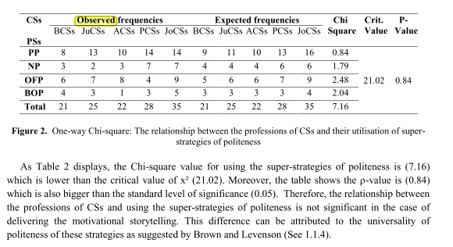 p. 28 | 5
 | Is the statistical analysis appropriate to answer the research question? | Yes |  |  | p. 27 "Concerning the second question, a Chi-square analysis was the most appropriate test to employ due to the nominal variable and frequency data being used. It was conducted to find out whether its value (x2) is larger or smaller than the critical value. It was also used to assess whether the original professions of CSs have a significant influence (ρ < 0.05) on the use of super-strategies of politeness," p. 27 | 5
Summary | Number of "Yes" Responses | 8 |  |  | Mean Scale Rating | 36 | 90%

 | A total of (5) points are possible. High = 5, Medium = 3 to 4, Low = 1 to 2. Further, Yes responses receive 1 point, No responses receive 0 points, and Can’t Tell receives 0 points. The notional scores will be totaled and rated as high, medium or low for overall quality of evidence. Each point is with 20%, so the full five questions are worth 20% per question, for total of 100%.
 |  | Notional Points | % Score
 | Low | 1 to 2 | 20 to 40%
 | Medium | 3 to 4 | 60 to 80%
 | High | 5 | 100%

MMAT Mut Qun
Mixed Methods Appraisal Tool (MMAT) Version 2018
Article/Study: | Muthusamy, S. K. (2019). Power of positive words: communication, cognition, and organizational transformation. [Power of positive words] Journal of Organizational Change Management, 32(1), 103-122. https://doi.org/10.1108/JOCM-05

Quantitative Article |  | Yes | No | Can't Tell | Evidence (Provide verbatim sentence(s) or Table/Figure and page number) | Likert Scale (1=low, or 3 5=high) | Example of Key Points
Screening Questions | Are there clear research questions? | Yes |  |  | p. 109 " H1. The positive communication from the managers and leaders during the organization change episode will have the transforming effect on the individual. H2. The positive communication from managers and leaders during the organization change episode will have the transforming effect on the organization. Power of positive words 109 Methods?" p. 109 | 5 | Ran two experiments with 6 to 7 hypothesis - 6 had an a/b. P. 918
 | Do the collected data allow to address the research questions? | Yes |  |  | p. 109 "The survey along with a note inviting voluntary participation from those who had undergone organizational change within past three years at the time of data collection (2016–2017) was posted on the LinkedIn network portal. Out of 270 potential network undergone organizational change within past three years at the time of data collection (2016–2017) was posted on the LinkedIn network portal. Out of 270 potential network members who read the invitation within four months of the survey published in LinkedIn, (2016–2017) was posted on the LinkedIn network portal. Out of 270 potential network members who read the invitation within four months of the survey published in LinkedIn, 174 usable responses received (a response rate of 64.44 percent out of 270 who read the members who read the invitation within four months of the survey published in LinkedIn, 174 usable responses received (a response rate of 64.44 percent out of 270 who read the survey; a response rate of 24.85 percent out of all 700 members in our LinkedIn network)," p. 109 | 5 | The data collection used several experiments with managerial students with 5 stages of data collection. There was clear target population n= 89 stated as graduate students in advanced managerial accounting.
 | Do the collected data allow to address my research question?* What components of strategic storytelling narratives contribute to stakeholder engagement during organizational change initiatives? | Yes |  |  | p. 104 " Further, we examine the empirical link between the positive communication and organizational transformation by a two-fold analysis of survey data collected from 174 management professionals who have recently undergone the organizational change organizational transformation by a two-fold analysis of survey data collected from 174 management professionals who have recently undergone the organizational change episodes such as restructuring, reengineering, TQM adoption or new strategy 174 management professionals who have recently undergone the organizational change episodes such as restructuring, reengineering, TQM adoption or new strategy implementation..," p. 104 | 5 | There are critical elements here - judgements and transfer of knowledge, which are both essential for effective strategy implementation. This study provide basis of how visual representations of strategy via strategy maps impacts judgements on strategy appropriateness and design/implementation of effective strategic performance measurement.
Quantitative descriptive | Is the sampling strategy relevant to address the research question? | Yes |  |  | p. 103 "The study examines the empirical link between the positive communication and organizational transformation with a survey data collected from 174 management professionals who have recently experienced the organizational change episodes such as restructuring, reengineering, TQM adoption or new strategy implementation. With the content analysis of narratives containing metaphors, axioms and stories, the study unravels the underlying clusters of organizational and socio-cognitive dimensions associated with organizational transformation" p. 103 | 5 | Not clear if the sample population was sufficient to answer the question. How many students worked full time, and what was their actual experience in professional arena. A deductive approach was used to develop each hypothesis. Questions for the questionnaire was pilot-tested to establish validity. The statistical analysis used regression analysis which appears to be appropriate. "We pilot-tested the task with 28 graduate students enrolled in the same course as the participants in the main experiment. Based on the pilot-test results, we re-worded the instructions and some information items, and removed two information items that were perceived as ambiguous. We then asked four accounting faculty members to review the six information items in the presence of both the strategy map and the scorecard perspectives." p. 910
 | Is the sample representative of the target population? | Yes |  |  | p. 103 "originality/value – Most studies on the relationship between managerial communication and organizational transformation are primarily qualitative case studies focusing on the dialectics of organizational change. This study carries the strong external validity by capturing the connection between managerial communications and their transformational effect with the help of data collected from the management professionals across multiple industries. p. 103 | 5 | The sample population is not generalizable, and representative of the general target population. The questionnaire was an appropriate tool and there was a pilot test of the questions to avoid sample bias. However, the experiment was administered to grad students not professional with experience in the field of work and subject matter area(s).
 | Are the measurements appropriate? | Yes |  |  | 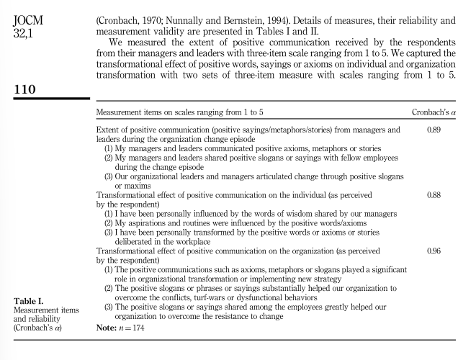 p. 110 | 5 | The statistical analysis used ANOVA and T-test (one and two-tailed) which appears to be appropriate. Reliability was measured using Cronbach's alpha values -- reporting all values for each dependent variable indicated the data as highly reliable. p. 912 "As all hypotheses in this study (for both Experiments One and Two) are directional, we have employed one-tailedtesting to analyze our results. Further, as the order effect (i.e., the order in which the six information items are presented to the participants) is not statistically significant, and does not interact with the independent variables of interest, we exclude "order effect" as an independent variable for all subsequent. p. 912
 | Is the risk of nonresponse bias low? | Yes |  |  | p. 114 "These variables were introduced in the regression to account for self-reporting bias and social desirability bias arising out of age, education and personal conviction toward passionate and emotive communication," p. 114 | 5 | The questionnaire was pilot tested for validity and reliability. No details were reported for the non-response rate. The statistical analysis (t-test), was appropriate for the research questions.
 | Is the statistical analysis appropriate to answer the research question? | Yes |  |  | p. 116 "These variables were introduced in the regression to account for self-reporting bias and social desirability bias arising out of age, education and personal conviction toward passionate and emotive communication," p. 116 | 5 | The descriptive statistical approach was appropriate to answer the research question. The results were reported in easily comprehendible tables, and the methodologies were reported in a way that the study could be replicated. Further, the findings were applicable to real-world situations with analogous environments; and the results would be highly relevant to the impact visual strategy maps on knowledge management and interpretations/judgements of strategy plans/objecitgves.
Summary | Number of "Yes" Responses | 8 |  |  | Mean Scale Rating | 40 | 100%

 | A total of (5) points are possible. High = 5, Medium = 3 to 4, Low = 1 to 2. Further, Yes responses receive 1 point, No responses receive 0 points, and Can’t Tell receives 0 points. The notional scores will be totaled and rated as high, medium or low for overall quality of evidence. Each point is with 20%, so the full five questions are worth 20% per question, for total of 100%.
 |  | Notional Points | % Score
 | Low | 1 to 2 | 20 to 40%
 | Medium | 3 to 4 | 60 to 80%
 | High | 5 | 100%

MMAT Myl Qul
Mixed Methods Appraisal Tool (MMAT) Version 2018
Article/Study: | Myllykoski, J., & Rantakari, A. (2022). Narrating strategy in the flow of events – Illusion and disillusion in strategy-making. Scandinavian Journal of Management, 38(1), N.PAG. https://doi-org.ezproxy.umgc.edu/10.1016/j.scaman.2022.101195
Qualitative Article |  | Yes | No | Can't Tell | Evidence (Provide verbatim sentence(s) or Table/Figure and page number) | Likert Scale (1=low, or 3 5=high)
Screening Questions | Are there clear research questions? | Yes |  |  | p. 1 "Although one may articulate the existence of additional streams related to creating positive change in organiza-tions, we propose that these four streams together make up a meaningful whole and they craft a big picture of creating virtuous and compassionate organizations," p. 1 | 3
 | Do the collected data allow to address the research questions? | Yes |  |  | p. 1 "Our empirical material is drawn from a two-year, real-time, longitudinal study of a software company called SoftCo (pseudonym). In the course of this study, we participated in and recorded strategy-making meetings. The empirical material thus obtained enabled us to trace the emergence of SoftCo’s two strategy stories and their use in investor negotiations during the company’s pursuit of global growth. The meetings took place before, during and after the managers constructed and used the two stories in pitching their growth strategy to investors," p. 1 | 4
 | Do the collected data allow to address my research question?* What components of strategic storytelling narratives contribute to stakeholder engagement during organizational change initiatives? | Yes |  |  | p. 3 " Even though the initial focus of the research project was not to analyze strategic storytelling, these two stories became central for SoftCo’s strategizing during collection of empirical material. More specifically, the research topic of this study was defined ex post, after the research collaboration with SoftCo and the related research programme had ended.," p. 3 | 5
Qualitative | Is the qualitative approach appropriate to answer the research question? | Yes |  |  | p. 3 "Our empirical study was conducted in collaboration with a small software company we refer to as SoftCo. This collaboration was part of a large national-level research programme focusing on the software business and cloud solutions. SoftCo was motivated to participate in the program due to its explicit strategic objective of rapid international growth. SoftCo was established in 2006, and at the time we collected the empirical material it was run by five owners. The company developed and sold software products to manufacturers and retailers that used them in their own sales practices. At the beginning of the research collaboration, SoftCo had 25 employees and approximately 50 cus-tomers in Europe. The majority of SoftCo’s customers were based in the domestic market, where it was the market leader. At the end of the two-year project, SoftCo started to seek venture capitalist (VC) funding to achieve their growth objectives," p. 3 | 5
 | Are the qualitative data collection methods adequate to address the research question? | Yes |  |  | p. 3 Our empirical material consists of real-time participation in strategy-making meetings during the years 2011–2013. In the collection of empirical material, we draw upon the idea that knowing emerges from direct engagement rather than from detached observations (Barad, Table 1 The plotline of the pitch. The Structure of SoftCo’s Venture Capital Pitch Strategy background (1) Description of actions taken in the past in preparation for execution of a global growth strategy (2) Highlights of recent sales results Growth strategy I - The USA story This story was based on accumulating future market potential and SoftCo’s intended rapid entry to the US market. SoftCo’s managers used a sales pipeline to lend credibility to their entry strategy and realize their ambitious sales goals. Growth strategy II - The Beta story This story was about the emergence of a completely new business concept and industry for SoftCo. It consisted of the following rough plotline: (1) The Australian company BetaCo found SoftCo through the internet and suggested a new kind of business deal. (2) Sales negotiations started with a Japanese company, “JapanCo”, which was similar to BetaCo. (3) SoftCo met and had discussions with other companies similar to BetaCo and JapanCo at an exhibition in Asia. (4) All these companies were developing new services. SoftCo discovered an opportunity to replicate the business logic developed with BetaCo, build an unprecedented business model and enter a new industry with their existing software product. Risk evaluation The technology risk and market risk were ‘proven’ to be minor and future success was dependent on strategy execution. | 5
 | Are the findings adequately derived from the data? | Yes |  |  | p. 8 "Based on our findings, we developed a conceptual model (see Fig. 6) that elucidates the relation between narrative strategy-making and the flow of events. The point of illusion reveals the dissonance between the past con-structed in the strategy narrative and the initial meaning of the events at the time of their occurrence. This dissonance depicts the differences in temporal perspectives (Schultz & Hernes, 2013) between fully formed strategy narratives and living storytelling (Boje, 2008; Dawson & Sykes, 2019). More specifically, whereas the fully formed strategy narratives consist of a coherent and linear temporal trajectory between past, pre-sent and future (Gabriel, 2004), living storytelling by the strategists entails continuous retelling (Shotter & Tsoukas, 2011) of the meaning of the past, present and future ‘in time’. It is notable that the point of illusion provides an example of how these two temporal perspectives, namely ‘over time’ narration in the fully formed strategy narratives and ‘in time’ narration in living storytelling, may co-exist in narrative strategy-making even though they may appear to be ontologically par-adoxical (Myllykoski & Rantakari, 2018)," p. 8 | 5
 | Is the interpretation of results sufficiently substantiated by data? | Yes |  |  | 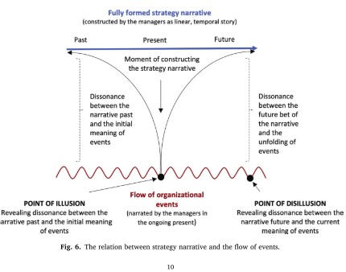 P. 10 | 4
 | Is there coherence between qualitative data sources, collection, analysis and interpretation? | Yes |  |  | p. 10 "On the one hand, with the point of illusion in narrative strategy-making, we show how managers renarrated the meaning of past events to construct a fully formed strategy narrative. Identification of the point of illusion allowed us to show how a fully formed strategy narrative emerged in the flow of events as a result of retrospective narration that overwrites the original meaning of events," p. 10 | 5
Summary | Number of "Yes" Responses | 7 | 0 | 0 | Mean Scale Rating | 36 | 90%

 | A total of (5) points are possible. High = 5, Medium = 3 to 4, Low = 1 to 2. Further, Yes responses receive 1 point, No responses receive 0 points, and Can’t Tell receives 0 points. The notional scores will be totaled and rated as high, medium or low for overall quality of evidence. Each point is with 20%, so the full five questions are worth 20% per question, for total of 100%.
 |  | Notional Points | % Score
 | Low | 1 to 2 | 20 to 40%
 | Medium | 3 to 4 | 60 to 80%
 | High | 5 | 100%

MMAT Yos Qun
Mixed Methods Appraisal Tool (MMAT) Version 2018
Article/Study: | Yost, P. R., Yoder, M. P., Chung, H. H., & Voetmann, K. R. (2015). Narratives at work: Story arcs, themes, voice, and lessons that shape organizational life. Consulting Psychology Journal: Practice and Research, 67(3), 163–188. https://doi.org/10.1037/cpb0000043
Mixed Methods article |  | Yes | No | Can't Tell | Evidence (Provide verbatim sentence(s) or Table/Figure and page number) | Scale (1=low, 3 or 5=high)
Screening Questions | Are there clear research questions?
 | Do the collected data allow to address the research questions?
 | Do the collected data allow to address my research question?*
Mixed methods | Is there an adequate rationale for using a mixed methods design to address the research question?
 | Are the different components of the study effectively integrated to answer the research question?
 | Are the outputs of the integration of qualitative and quantitative components adequately interpreted?
 | Are divergences and inconsistencies between quantitative and qualitative results adequately addressed?
 | Do the different components of the study adhere to the quality criteria of each tradition of the methods involved?
Summary | Number of "Yes" Responses |  |  |  | Mean Scale Rating

Qualitative Article |  | Yes | No | Can't Tell | Evidence (Provide verbatim sentence(s) or Table/Figure and page number) | Likert Scale (1=low, or 3 5=high)
Screening Questions | Are there clear research questions?
 | Do the collected data allow to address the research questions?
 | Do the collected data allow to address my research question?* In what ways do visual strategy maps contribute to effective strategy implementation?
Qualitative | Is the qualitative approach appropriate to answer the research question?
 | Are the qualitative data collection methods adequate to address the research question?
 | Are the findings adequately derived from the data?
 | Is the interpretation of results sufficiently substantiated by data?
 | Is there coherence between qualitative data sources, collection, analysis and interpretation?
Summary | Number of "Yes" Responses |  |  |  | Mean Scale Rating | 0

Quantitative Article |  | Yes | No | Can't Tell | Evidence (Provide verbatim sentence(s) or Table/Figure and page number) | Likert Scale (1=low, or 3 5=high)
Screening Questions | Are there clear research questions? | Yes |  |  | p. 168 "1. What are the common story arcs that emerge in people’s career stories? 2. What are the common story themes that emerge in people’s career stories, and how do they map against the story arcs? 3. What are the typical characteristics of the narrator’s voice, and how do they map against the story arcs? 4. How are the story arcs related to the storyteller’s satisfaction with the story outcome, his or her personal role in the story, his or her perceived growth, and the pattern of lessons that emerged" p. 168 | 5
 | Do the collected data allow to address the research questions? | Yes |  |  | p. 168 "To collect a rich diversity of these personal stories, interviews were conducted by 40 graduate students enrolled in a motivation-psychology course; they were directed to identify and interview people in their personal networks (typically friends, coworkers, or family members) using a semistructured script (see the Appendix for selected questions from the Interview Protocol). With the permission of participants, interviews were audio-recorded and later transcribed to ensure that stories were captured in the interviewees’ words. Furthermore," p. 168 | 5
 | Do the collected data allow to address my research question?* What components of strategic storytelling narratives contribute to stakeholder engagement during organizational change initiatives? | Yes |  |  | p. 163 "Results indicate that prototypical patterns in story arcs (e.g., a transformative journey, tragedy), themes (e.g., achievement, relationships), narrative voice (e.g., internal/external locus of control), and lessons (e.g., persistence, the ability to “learn as you go”) emerged across the 196 stories. Implications for practice and research are discussed," p. 163 | 5
Quantitative non-randomized | Are the participants representative of the target populations?
 | Are the measurements appropriate regarding both the outcome and intervention?
 | Are there complete outcome date?
 | Are the confounders accounted for in the design and analysis?
 | During the study period, is the intervention administered (or exposure occurred) as intended?
Quantitative descriptive | Is the sampling strategy relevant to address the research question? | Yes |  |  | p. 168 "To collect a rich diversity of these personal stories, interviews were conducted by 40 graduate students enrolled in a motivation-psychology course; they were directed to identify and interview people in their personal networks (typically friends, coworkers, or family members) using a semistructured script (see the Appendix for selected questions from the Interview Protocol). With the permission of participants, interviews were audio-recorded and later transcribed to ensure that stories were captured in the interviewees’ words," p.168 | 5
 | Is the sample representative of the target population? | Yes |  |  | p. 181 "The current study has potential implications at both the individual and organizational level. Results suggest that individuals conceptualize their work experiences in narrative form," p. 181 p. 169 "In total, 196 interviews were conducted, resulting in 114 stories about career challenges and current career crossroads and 82 stories about leading successful and unsuccessful projects. Eligible participants were 18 years of age or older with a minimum of two years of work experience. The average interviewee age was 41 (SD ⫽ 15), 47% of the interviewees were female, and 62% of the interviewees were born in the U.S. Other nations of origin with at least two participant interviews.." p. 169 | 4
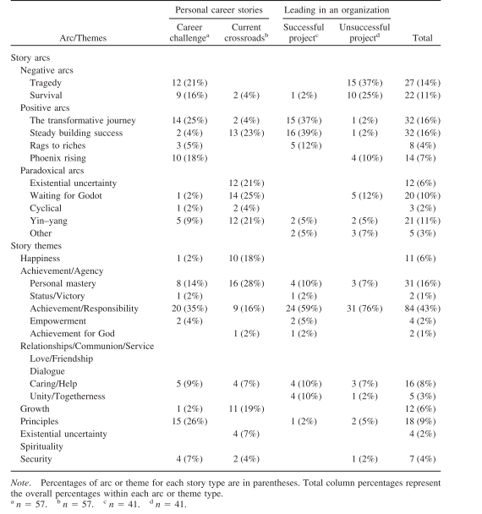
 | Are the measurements appropriate? | Yes |  |  | p. 176 | 5
 | Is the risk of nonresponse bias low? | Yes |  |  | p. 170 "To mitigate this interpretative bias, coders looked for a dominant theme based on the number of times it appeared. However, frequency of theme did not usually match the salience or weight of the theme articulated by the narrator, so this method was dropped. Coders then decided to take cues from the participant’s own elaboration of the event, which often came in response to a probing question (e.g., “What was important to you in this event?”), facilitating a coder’s ability to move beyond the diversity of themes in a story and discern explicit references to particular themes that were most important to the storyteller" p. 170 | 5
 | Is the statistical analysis appropriate to answer the research question? | Yes |  |  | P. 181 The current study has potential implications at both the individual and organizational level. Results suggest that individuals conceptualize their work experiences in narrative form. As such, a coach or career-development specialist may utilize this information to help people make sense of their current situations (e.g., understanding the lessons and personal development that can come out of a career setback) and to help people retell their current stories (Bauer et al., 2008; Ibarra & Barbulescu, 2010; White & Epston, 1990). | 5
Summary | Number of "Yes" Responses | 8 |  |  | Mean Scale Rating | 39 | 98%

 | A total of (5) points are possible. High = 5, Medium = 3 to 4, Low = 1 to 2. Further, Yes responses receive 1 point, No responses receive 0 points, and Can’t Tell receives 0 points. The notional scores will be totaled and rated as high, medium or low for overall quality of evidence. Each point is with 20%, so the full five questions are worth 20% per question, for total of 100%.
 |  | Notional Points | % Score
 | Low | 1 to 2 | 20 to 40%
 | Medium | 3 to 4 | 60 to 80%
 | High | 5 | 100%

